Overview
 |  | Revenue Loss Calculator

Purpose
Under the State and Local Fiscal Recovery Fund (SLFRF), local governments may use payments to fund government services under the "Revenue Replacement" category. In order to determine the amount of revenue that may be used, local governments can calculate their revenue loss based on what could have been expected to happen in the absence of the pandemic by comparing their actual revenue to a calculated counterfactual revenue trend. Cook County has prepared this excel template to assist municipalities in calculating their revenue loss.

The Workbook
This workbook is divided into the following 7 sheets/tabs:

 | Calculator
 | Presents a dashboard view of all your revenues from 2016-2020, calculates a grow rate, counterfactual revenues, and revenue loss, and includes a recovery scenario for planning purposes only

 | Eligible and Ineligible Revenue
 | Shows a graphical representation of what is an eligible and ineligible general revenue source

 | 2020 Revenue_Actual_Revenue
 | Use to manually enter your fiscal year 2020 revenue by each revenue source

 | 2019 Revenue Statement
 | Use to manually enter your fiscal year end 2019 revenue by each revenue source

 | 2018 Revenue Statement
 | Use to manually enter your fiscal year end 2018 revenue by each revenue source

 | 2017 Revenue Statement
 | Use to manually enter your fiscal year end 2017 revenue by each revenue source

 | 2016 Revenue Statement
 | Use to manually enter your fiscal year end 2016 revenue by each revenue source

Instructions
The revenue loss calculator allows users to automatically generate counterfactual revenue, 2020 revenue loss and recovery scenarios by following these steps:
1. | Manually input your municipality’s last fiscal year end date prior to the pandemic in the 'Calculator' tab
2. | Identify eligible 2019 revenue and manually input into '2019 Revenue Statement' tab. Make sure to delete any example numbers in the tab
3. | Manually input eligible revenue data from 2016 – 2018 in the respective tabs. Make sure to delete any example numbers in the tab
4. | Manually input 2020 actual revenue in the '2020 Revenue_Actual_Revenue' tab. Make sure to delete any example numbers in the tab
5. | View actual revenue loss calculation for 2020 and forecast full recovery scenario for 2021 to 2023 in the Calculator tab

Disclaimer
This resource was developed by Cook County and is intended for planning purposes only. This tool is not an official U.S. Treasury resource. Final guidance from the Treasury is still pending and subject to change. U.S. Treasury disallows the use of projections for revenue loss reporting. Not all revenues listed may be relevant to all municipalities and the revenues listed in the individual yearly revenue tabs is not a comprehensive list. Municipalities should contact their tax advisor or attorney for revenue specific questions.

Eligible and Ineligible Revenue
Eligible Revenue
Intergovernmental Revenue from State and Local Government
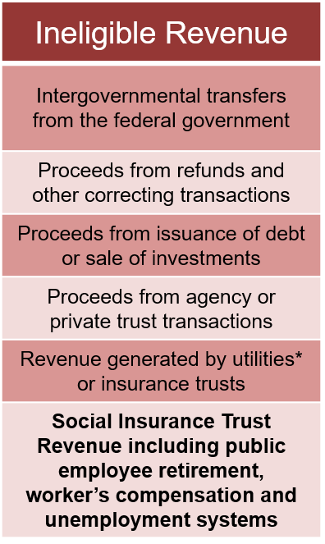
Liquor Store Revenue

General Revenue from Own Sources

Current Charges
Tax Revenue
Miscellaneous Revenue

Airports
Educational Institutions
Highways or Tolls
Public Hospitals
Public Housing
Natural Resources
Parking Facilities
Parks and Recreations
Ports
Sewer or Solid Waste Systems
Alcoholic Beverage License or Sales Taxes
Amusements License or Sales Taxes
Corporate Income Taxes
Corporate License Taxes
Death and Gift Taxes
Documentary and Stock Transfer Taxes
General Sales and Gross Receipts Taxes
Individual Income Taxes
Insurance Premium Sales Taxes
Motor Fuels Sales Taxes
Hunting and Fishing License Taxes
Motor Vehicle License Taxes
Motor Vehicle Operations License Taxes
Occupation and Business Licenses Taxes
Property Taxes
Public Utilities License or Sales Tax
Tobacco Product Sales Taxes
Dividends or Interest Earnings
Donations from Private Sources
Fines and Forfeits
Lottery
Rents
Royalties
Sale of Property
Special Assessments

Revenue examples are non-exhaustive, bolded revenues highlight and address FAQs

*Includes revenue from sales and operations of publicly-owned and controlled water supply systems, electric power systems, gas supply systems, and public mass transit

Calculator
Revenue Loss Calculator
Recovery Scenario
ARPA Revenue Loss Calculation

Date Fiscal Year Ended Prior to Pandemic | 2019-11-30
Base Revenue (FY2019) | $2,150,000 | A
Growth Rate | 4.1% | B
 |  |  | 2020-12-31 | 2021-12-31 | 2022-12-31 | 2023-12-31
Months elapsed since base year |  | X | 13 | 25 | 37 | 49
Counterfactual Revenue |  |  | $2,245,657 | $2,337,729 | $2,433,576 | $2,533,352
Actual revenue for the period |  | Y | $1,950,000 | $2,127,755 | $2,321,713 | $2,533,352
Revenue Loss |  |  | ($295,657) | ($209,974) | ($111,862) | ($0)

 |  |  |  | Yearly Growth Rate For 2023 Full Recovery |  | 9.1%

Year | Total Revenues | Change | % change
Fiscal Year 2016 | $2,040,000
Fiscal Year 2017 | $1,950,000 | -$90,000 | -4.41%
Fiscal Year 2018 | $2,005,000 | $55,000 | 2.82%
Fiscal Year 2019 | $2,150,000 | $145,000 | 7.23%
 | These totals pulled from Revenue Statement tabs. |  | 1.88% | Calculated 3-year Average Growth Rate
 |  |  |  |  |  |  | Calculated Revenue Loss Totals
 |  |  |  |  |  |  | Year (ending Dec. 31) | Revenue Loss Totals to use on Government Services
Legend |  |  |  |  |  |  | 2020 | $295,657
Counterfactual Revenue (calculated) |  |  |  |  |  |  | 2021 | $209,974
Manual Input Needed |  |  |  |  |  |  | 2022 | $111,862
Forecast (For planning purposes only) |  |  |  |  |  |  | 2023 | $0

A Total general revenue for the base year (the last full fiscal year prior to COVID impact).
B Growth rate is computed as the larger of 4.1% or the average growth rate of the three fiscal years prior to COVID impact).
X Number of months from the base year noted in A above to the respective calendar year end.
Y Enter actual general revenue for the calendar year.

